Nested IFs
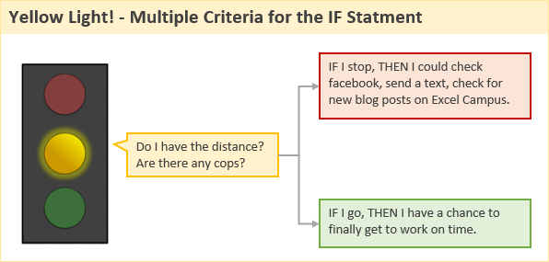
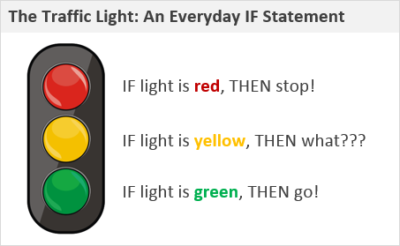

Criteria | Value
Light Color: | Yellow
Distance (ft): | 400
Cops: | FALSE
New Text Msg: | TRUE

Decision: | Stop

Nested IF formulas get long, ugly, and difficult to read.

